Sheet 1
9
 |  |  |  |  |  |  |  | x-Axis= Independant Variable | y-Axis = Dependant Variable

 | Pearson Correlation Coefficient (r) =

 |  |  |  | Hypothesis 1 : |  | x-axis | No. of quality issues
 |  |  |  |  |  | y-axis | Cohesion
S No. | Name of Package | value of r | Graph |  | Graph Explanation
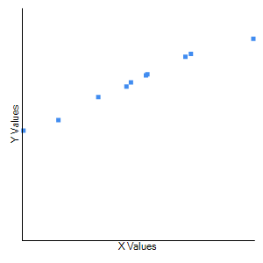
1 | HDFS Project | 0.9914 |  |  | This is a strong positive correlation, which means that high X variable scores go with high Y variable scores (and vice versa).

2 | Common Project | 0.9718 |  |  | This is a strong positive correlation, which means that high X variable scores go with high Y variable scores (and vice versa).
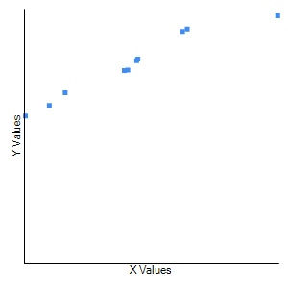

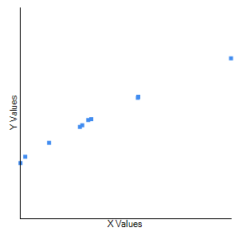
3 | -yarn-project | 0.9943 |  |  | This is a strong positive correlation, which means that high X variable scores go with high Y variable scores (and vice versa).

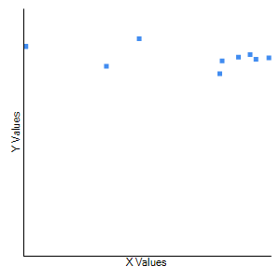
4 | -mapreduce | -0.4834 |  |  | Although technically a negative correlation, the relationship between your variables is only weak (nb. the nearer the value is to zero, the weaker the relationship).

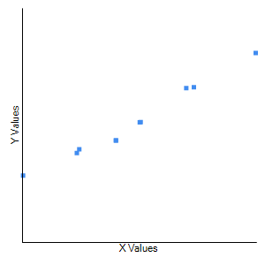
5 | Tools | 0.9889 |  |  | This is a strong positive correlation, which means that high X variable scores go with high Y variable scores (and vice versa).

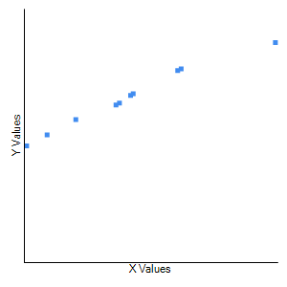
6 | Overall Project(Version Level) | 0.9901 |  |  | Along the x-axis,we have plotted the number of quality issues, whereas on the y-axis we have plotted values for cohesion. Depending on the graph and r value (which is 0.9901) calculated using pearson correlation coefficient we see a strong correlation among the two.Thus, we can say that if the number of quality issues increase the cohesion among the code also increases(at version level).

 |  |  |  | Hypothesis 2 : |  | x-axis | No. of quality issues
 |  |  |  |  |  | y-axis | Coupling
S No. | Name of Package | value of r | Graph |  | Graph Explanation
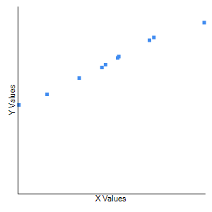
1 | HDFS Project | 0.9945 |  |  | This is a strong positive correlation, which means that high X variable scores go with high Y variable scores (and vice versa).

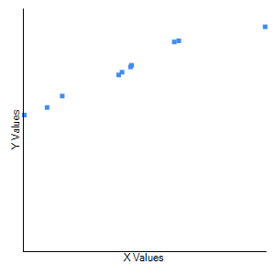
2 | Common Project | 0.976 |  |  | This is a strong positive correlation, which means that high X variable scores go with high Y variable scores (and vice versa).

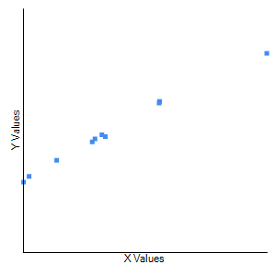
3 | -yarn-project | 0.9972 |  |  | This is a strong positive correlation, which means that high X variable scores go with high Y variable scores (and vice versa).

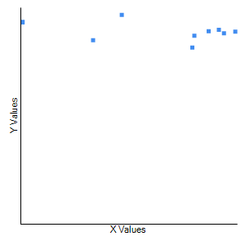
4 | -mapreduce | -0.463 |  |  | Although technically a negative correlation, the relationship between your variables is only weak (nb. the nearer the value is to zero, the weaker the relationship).

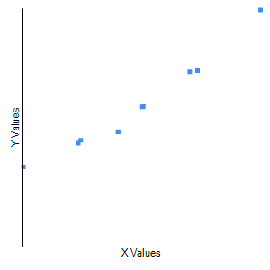
5 | Tools | 0.9782 |  |  | This is a strong positive correlation, which means that high X variable scores go with high Y variable scores (and vice versa).

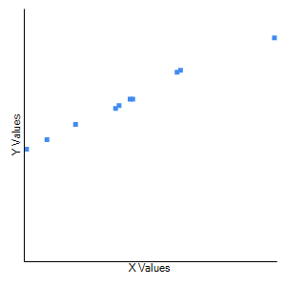
6 | Overall Project(Version Level) | 0.9948 |  |  | Along the x-axis,we have plotted the number of quality issues, whereas on the y-axis we have plotted values for coupling.According to the graph and r value (which is 0.9948) calculated using pearson correlation coefficient we see a strong correlation between the two.Thus, we can say that if the number of quality issues increase the coupling among the code also increases(at version level).

 |  |  |  | Hypothesis 3 : |  | x-axis | Security
 |  |  |  |  |  | y-axis | No. of quality issues
S No. | Name of Package | value of r | Graph |  | Graph Explanation
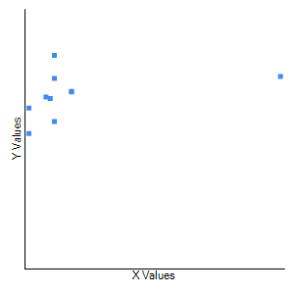
1 | HDFS Project | 0.3378 |  |  | Although technically a positive correlation, the relationship between your variables is only weak (nb. the nearer the value is to zero, the weaker the relationship).

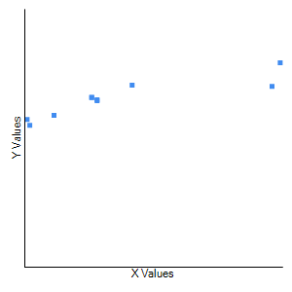
2 | Common Project | 0.8887 |  |  | This is a strong positive correlation, which means that high X variable scores go with high Y variable scores (and vice versa).

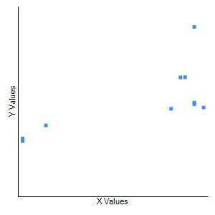
3 | -yarn-project | 0.6999 |  |  | This is a moderate positive correlation, which means there is a tendency for high X variable scores go with high Y variable scores (and vice versa).

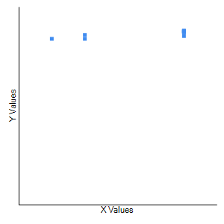
4 | -mapreduce | 0.8343 |  |  | This is a strong positive correlation, which means that high X variable scores go with high Y variable scores (and vice versa).

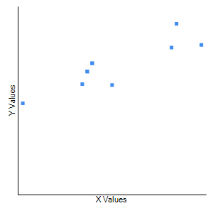
5 | Tools | 0.8699 |  |  | This is a strong positive correlation, which means that high X variable scores go with high Y variable scores (and vice versa).

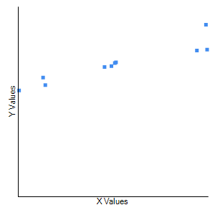
6 | Overall Project(Version Level) | 0.9305 |  |  | Along the x-axis,we have plotted vulnerabilities which helps determine security of the code, while on the y-axis we have plotted the number of quality issues.Based on the graph and r value (which is 0.9305) calculated by pearson coefficient correlation we notice a strong correlation between the two.Thus, we can say that if vulnerablities (i.e, security) increase the number of quality issues also increases(at version level).

 |  |  |  | Hypothesis 4 : |  | x-axis | Cyclomatic complexity
 |  |  |  |  |  | y-axis | No. of quality issues
S No. | Name of Package | value of r | Graph |  | Graph Explanation
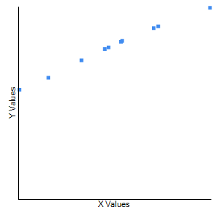
1 | HDFS Project | 0.9969 |  |  | This is a strong positive correlation, which means that high X variable scores go with high Y variable scores (and vice versa).

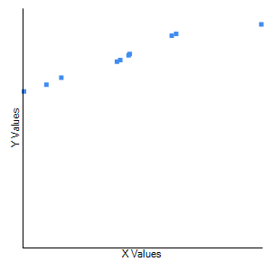
2 | Common Project | 0.9748 |  |  | This is a strong positive correlation, which means that high X variable scores go with high Y variable scores (and vice versa).

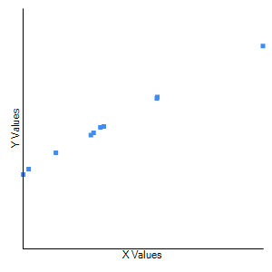
3 | -yarn-project | 0.9985 |  |  | This is a strong positive correlation, which means that high X variable scores go with high Y variable scores (and vice versa).

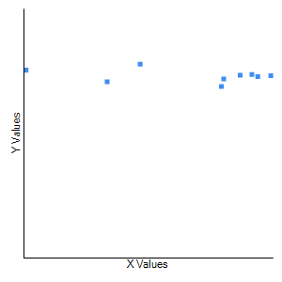
4 | -mapreduce | -0.4166 |  |  | Although technically a negative correlation, the relationship between your variables is only weak (nb. the nearer the value is to zero, the weaker the relationship).

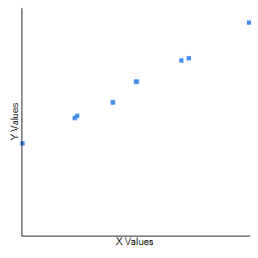
5 | Tools | 0.9964 |  |  | This is a strong positive correlation, which means that high X variable scores go with high Y variable scores (and vice versa).

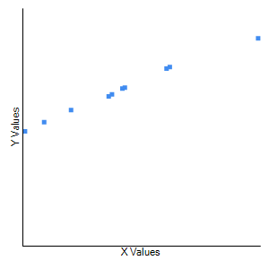
6 | Overall Project(Version Level) | 0.9967 |  |  | Along the x-axis,we have plotted the number of quality issues, whereas along the y-axis we have plotted cyclomatic compexity.Depending on the graph and r value (which is 0.9967) calculated using pearson orrelation coeffcient we notice a strong correlation among the two .Therefore, we can say that if the number of quality issues increase the cyclometric compexity also increases(at version level).

 |  |  |  | Hypothesis 5 : |  | x-axis | Cyclomatic complexity
 |  |  |  |  |  | y-axis | Maintainability
S No. | Name of Package | value of r | Graph |  | Graph Explanation
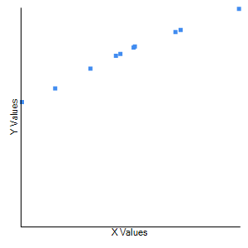
1 | HDFS Project | 0.9948 |  |  | This is a strong positive correlation, which means that high X variable scores go with high Y variable scores (and vice versa).

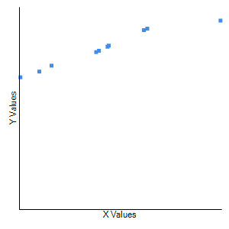
2 | Common Project | 0.9734 |  |  | This is a strong positive correlation, which means that high X variable scores go with high Y variable scores (and vice versa).

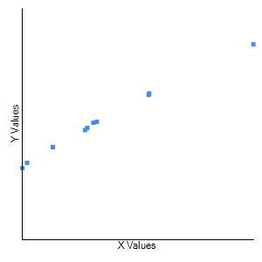
3 | -yarn-project | 0.9974 |  |  | This is a strong positive correlation, which means that high X variable scores go with high Y variable scores (and vice versa).

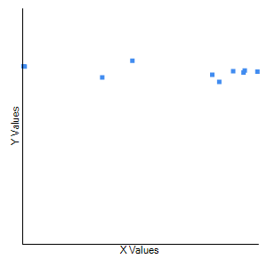
4 | -mapreduce | -0.4307 |  |  | Although technically a negative correlation, the relationship between your variables is only weak (nb. the nearer the value is to zero, the weaker the relationship).

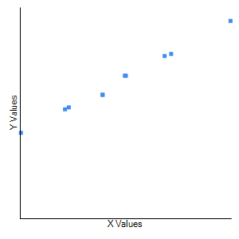
5 | Tools | 0.9969 |  |  | This is a strong positive correlation, which means that high X variable scores go with high Y variable scores (and vice versa).

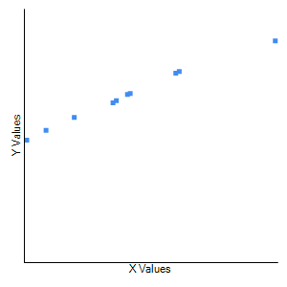
6 | Overall Project(Version Level) | 0.9959 |  |  | Along the x-axis,we have plotted code smells which helps determine maintainablity, while on the y-axis we have cyclomatic compexity.According the graph and r value (which is 0.9959) calculated using pearson correalation coefficient we see a strong correlation between the two.Thus, we can say that if maintainability increases the cyclometric compexity also increases(at version level).

